Inspection and Test Plan
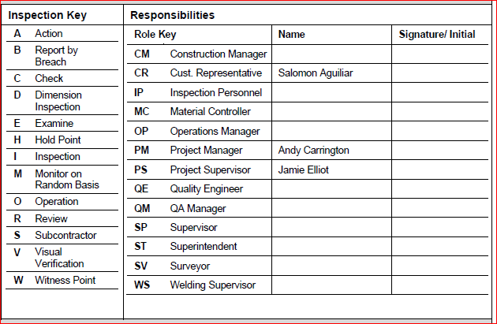
General Details | Project details
Project Name | Bluff Hill Watermain Stage 2 Inspection
Project Number | 561281
Customer | Invercargill City Council
Contract Number | 1073
Area/ Sub-System | Southland Water
Lot ID Number | 56126
ITP Number | 2
Version | A
ITP Description | Watermain Construction Stage 2
Discipline | Water
Specification | Section C ICC Project Specifications and Section D ICC Standard Specifications
Drawings | Drawings provided by ICC ESG
Prepared By | Engineering Services Group
Date | 12/07/23
Quality Specified

Section | Item No. | Activity/Task Description | Inspection Point: Quality Control Activity | Acceptance Criteria | Verifying Document | Reference: Contract Specs/Standards | Inspection Point/ Signature & Date
Preliminary Works | 3.1 | Pre-construction Photos | Photos of worksite including vehicle access points. Photos of any existing defects/damage. | Coverage of whole site | Photos saved | D1.4 | PM
Preliminary Works | 3.2 | Verify Construction Drawings | Verify Construction Drawings that are in the site folder are the latest revision. | Latest drawings approved | Drawings Register |  | PM
Preliminary Works | 3.3 | Road Authority Notifications | Corridor access Permit. Block by block Temporary Traffic Management Plans. | Permit & Traffic Plan approved | Work Access Permit & TMP | C1.09, D1.4 | PM
Preliminary Works | 3.4 | Management Plan | H&S Plan Environmental Plan Quality Assurances | Plans & Safety Measures in place | H&S Plan, Method Statement | D1.3 | PM, CR
Preliminary Works | 3.5 | Public Notification | Notice of works to properties in the construction zone in each block Notification to Rubbish collection contractor. Project Signage | 48 hours prior notification | Letter to residents | D1.10 | PM
Preliminary Works | 3.6 | Shutdown/Isolation | Shutdown/Isolation process verified in each block closure | Shutdown process verified | Notification letters | C1.16, D2.7.8 | PS
Preliminary Works | 3.7 | Construction Set Out | Correctly mark out the position of the new pipelines for construction. | Construction Plans checked | Construction Plans | D2.7.1 | PS, CR
Preliminary Works | 3.8 | Pre-Excavation Permits | Permit to excavate for the location has been endorsed by an authorised person. • Existing service plans & locates • Close approach permits • Notifiable works | Permit to excavate endorsed | Ground Disturbance Permit | D1.7 | PS
Incoming Goods Inspections | 4.1 | Pipe & Fitting Inspections | Visual check of materials delivered: • Correct Material & dimensions • Condition & Quantity • Free of defects – surface abrasion, ovality, not kinked or crushed • Batch/serial numbers present | Correct material & no defects | Packing Slips | D2.4,D3.3, D4.3, D5.3, D8.3 | PS
Incoming Goods Inspections | 4.2 | Pipe & Fitting Storage | Stored as per manufacturers specifications including maximum height limits and safely chocked in place. • All pipes are end capped. • No scoring of pipe more than 10% of thickness. • No damage to epoxy coating on Ductile fittings. | Stored as per manufacturer | Manufacturer’s Storage Instructions |  | PS, CR
Construction Inspections | 5.1 | Trench Excavation | Trench width to be sufficient to safely lay the pipe (including shoring if required) and compact the side support of the new pipe. Bedding details below; Sufficient room to enable the pipe, joint, bed, haunch or surround shown in the drawings to be accommodated. Trench depth to enable pipe to be laid with the designed cover as shown on construction plans. If trench bottom to be suitable to compact pipe bedding as support pipe. | Trench dimensions correct | Daily Site Diary | D2.6, D2.7 | PS
Construction Inspections | 5.2 | Encountered Services | Block by block ensure existing live services are not unnecessarily damaged by works. Repair any services that are temporarily removed during construction. Record any services found. | Existing services not damaged | Encountered Services Record | D1.7, D2.7.7 | PS
Construction Inspections | 5.3 | Pipe Installation | Interior of each pipe visually inspected to ensure free of debris. Re-cap end of pipe after installation. Check pipe installed at correct depth. Ensure all collars are free from contamination in McDougall St berm | Pipes free of debris & correctly installed | Daily Site Diary | D2.5, D2.7, D8.4.2 | PS
Construction Inspections | 5.4 | Concrete Pre-Pour Inspection | Check dimensions of formwork match details in the Construction Drawings. Check pipe fitting joints are clear of concrete pour. Thrust blocks to be poured against good solid natural ground. | Thrust blocks against solid ground | Daily Site Diary & Photos | D5.1, D5.3.2, D5.7 | PS, CR
Construction Inspections | 5.5 | Hydrant Depth | Confirm depth requirements have been met; Hydrant outlet: 200mm min. to 400mm max. | Hydrant depth verified | Daily Site Diary | D5.5 | PS
Construction Inspections | 5.6 | Compaction Testing | Confirm trenches in paved areas are compacted to standard block by block. | Compaction confirmed | Clegg Record Sheet | D2.7.10 | PS
Construction Inspections | 5.7 | Watermain Pressure Testing | Hydrostatic pressure test on new pipeline and fittings block by block. | Pressure test passed | Pressure Test Record Sheet | D2.9.1, AS/NSZ 2566.2:2002 Section 6 | PS, CR
Construction Inspections | 5.8 | Watermain Sterilization | Flushing and sterilizing full length of new pipeline and fittings block by block. | Sterilization completed | Sterilization Record Sheet | D2.9.1, AS/NSZ 2566.2:2002 Section 6 | PS, CR
Construction Inspections | 5.9 | As-built Information | Capture data for all new construction work. | Redline mark-up plan submitted | Redline Mark-up Plan | C1.22 | PM
Final Inspection and Handover | 6.1 | Final Inspection of Works | Work is inspected by the authorised person and complies with the nominated specification/standards | Work inspected & complies with standards | Practical Completion Certificate |  | PM

